Sheet1
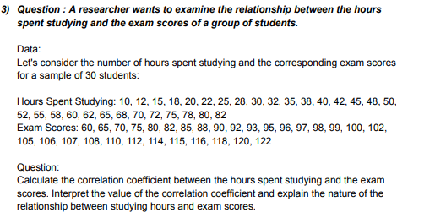
Hours Spend Studying | Exam Scores | ANSWERS
10 | 60 | correlation coefficient | 0.97729508302
12 | 65 | interpretation | The correlation coefficient is positive showing as the hours spend on studying increases , the exam score also increases.
15 | 70
18 | 75
20 | 80
22 | 82
25 | 85
28 | 88
30 | 90
32 | 92
35 | 93
38 | 95
40 | 96
42 | 97
45 | 98
48 | 99
50 | 100
52 | 102
55 | 105
58 | 106
60 | 107
62 | 108
65 | 110
68 | 112
70 | 114
72 | 115
75 | 116
78 | 118
80 | 120
82 | 122

